Leaderboard (us only)
 | ARMY |  |  | Special Forces |  |  | NAVY |  | Unique Units
 | Infantry | Artillary | Quality | Scouts | Cavalry | Marines | Heavies | Lights | name | class | Player Nations
Qing Dyno (nub) | 20 000 | - | 0;0;0 | - | - | - | - | - | Soul Hunting Fog | Chemical Weaponry | Kai | Qing Dyna
Hispania | 20 000 | - | 0;0;0 | - | - | - | - | - | Tercio | Infantry (with Naval Advantages) | Caleb | Hispania
Sweden | 20 000 | - | 0;0;0 | - | - | - | - | - | Longboats | Light Ship | Lucas | Sweden
Joseon Dyna | 20 000 | - | 0;0;0 | - | - | - | - | - | Turtle Ships | Heavy Ship | David | Joseon Dyna
Anglia | 20 000 | - | 0;0;0 | - | - | - | - | - | Black Jocks | Infantry | Ben | Anglia
Shiwei Confed. | 20 000 | - | 0;0;0 | - | - | - | - | - | Horse Archer | Cavalry | Adedapo | Shiwei Confederacy
France | 20 000 | - | 0;0;0 | - | - | - | - | - | Gend'arme | Cavalry
 |  |  | Weapon;support;strategy

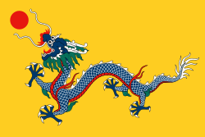
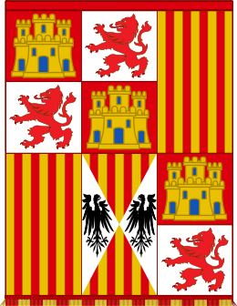
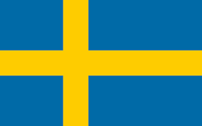
Flags: | Qing Dyna |  |  |  | Hispania |  |  | Sweden

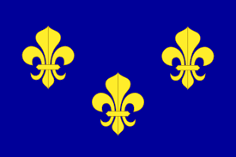
 |  |  |  |  |  |  |  |  |  |  | France

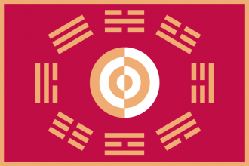
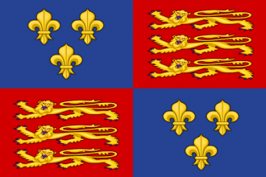

 | Joseon Dyna |  |  |  | Anglia |  |  |  | Shiwei Confederacy

